body measurements visualization
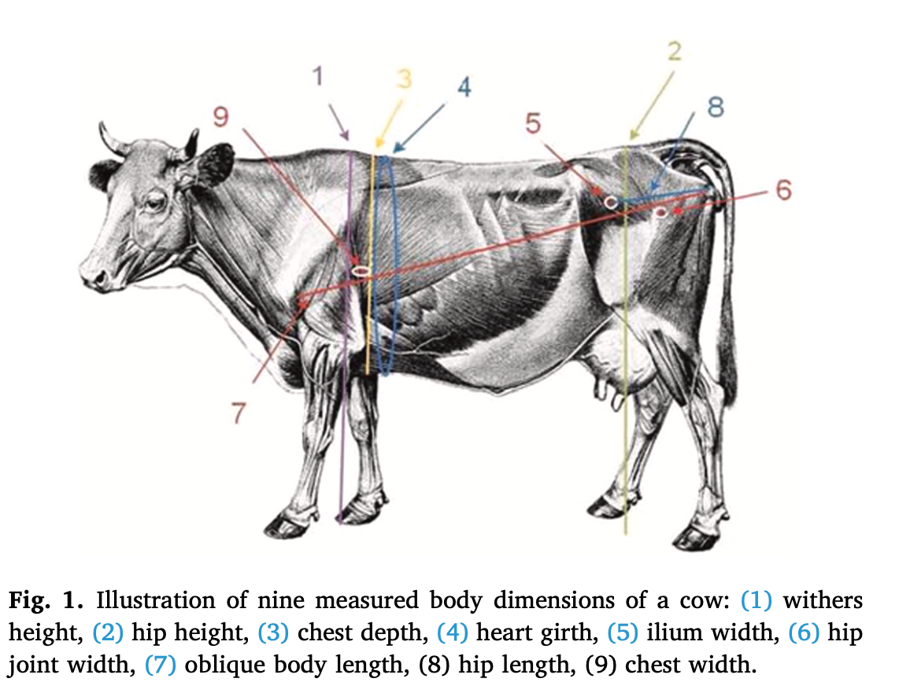

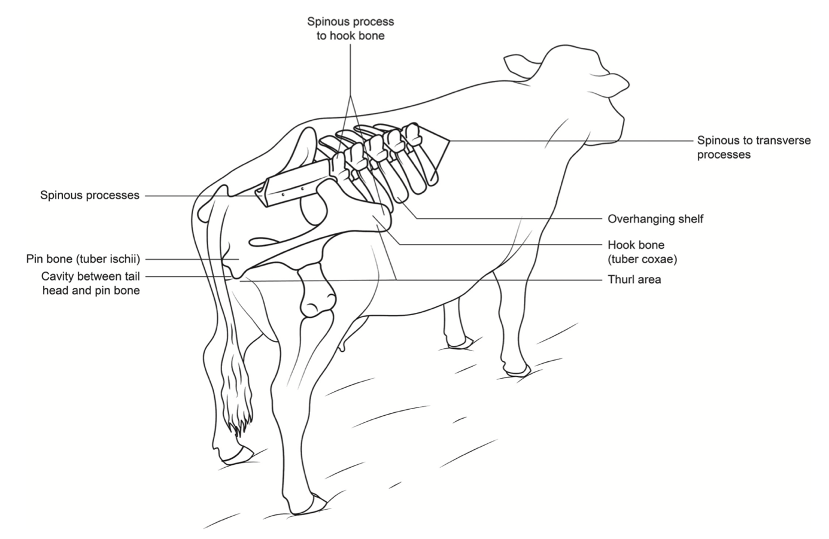
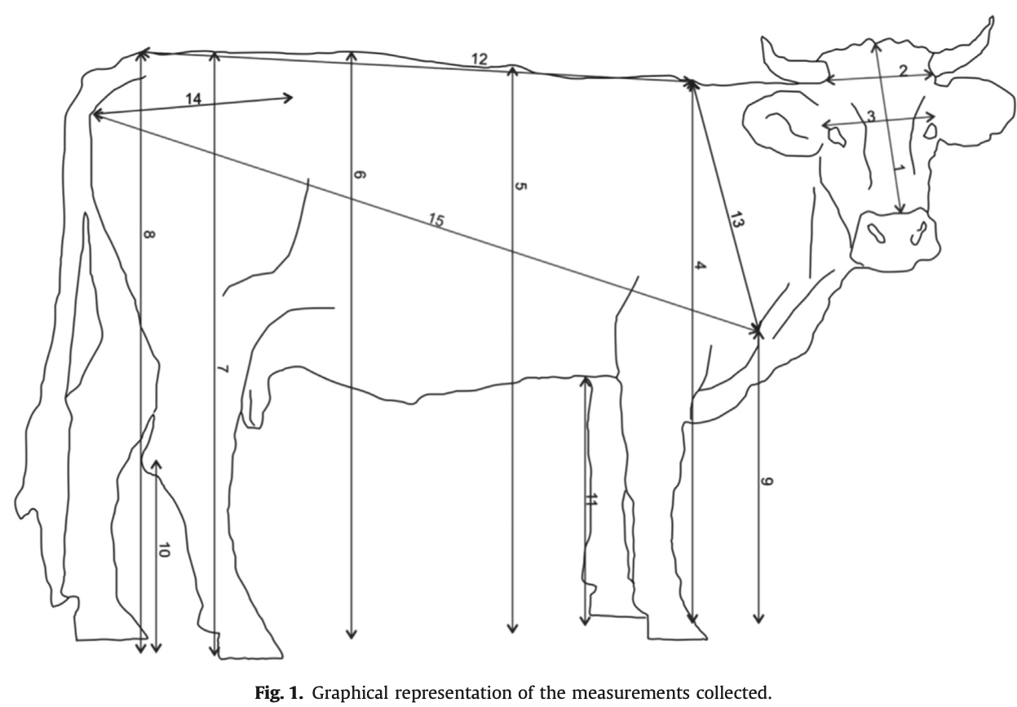

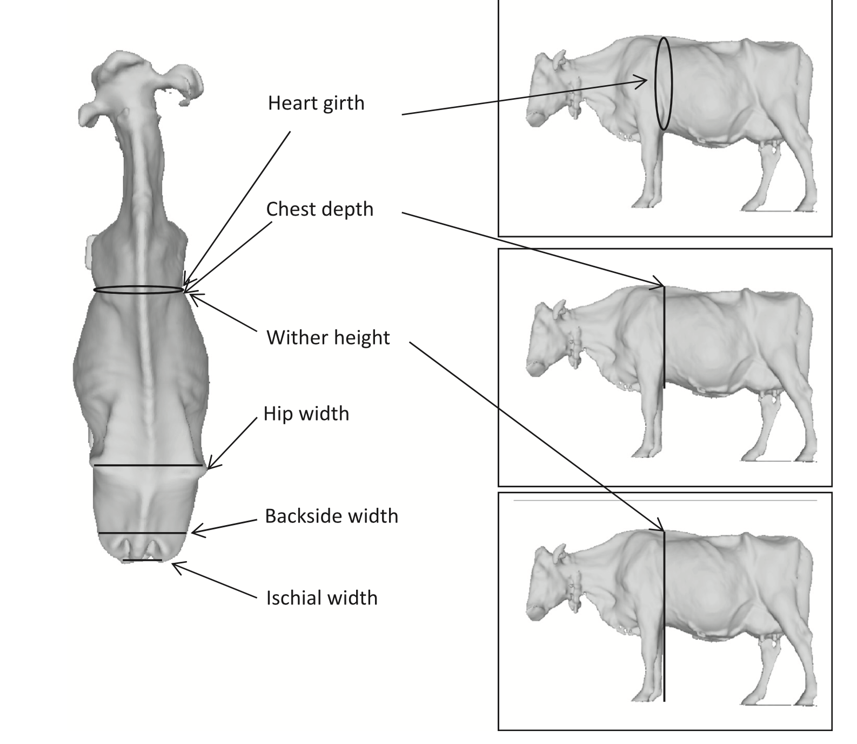

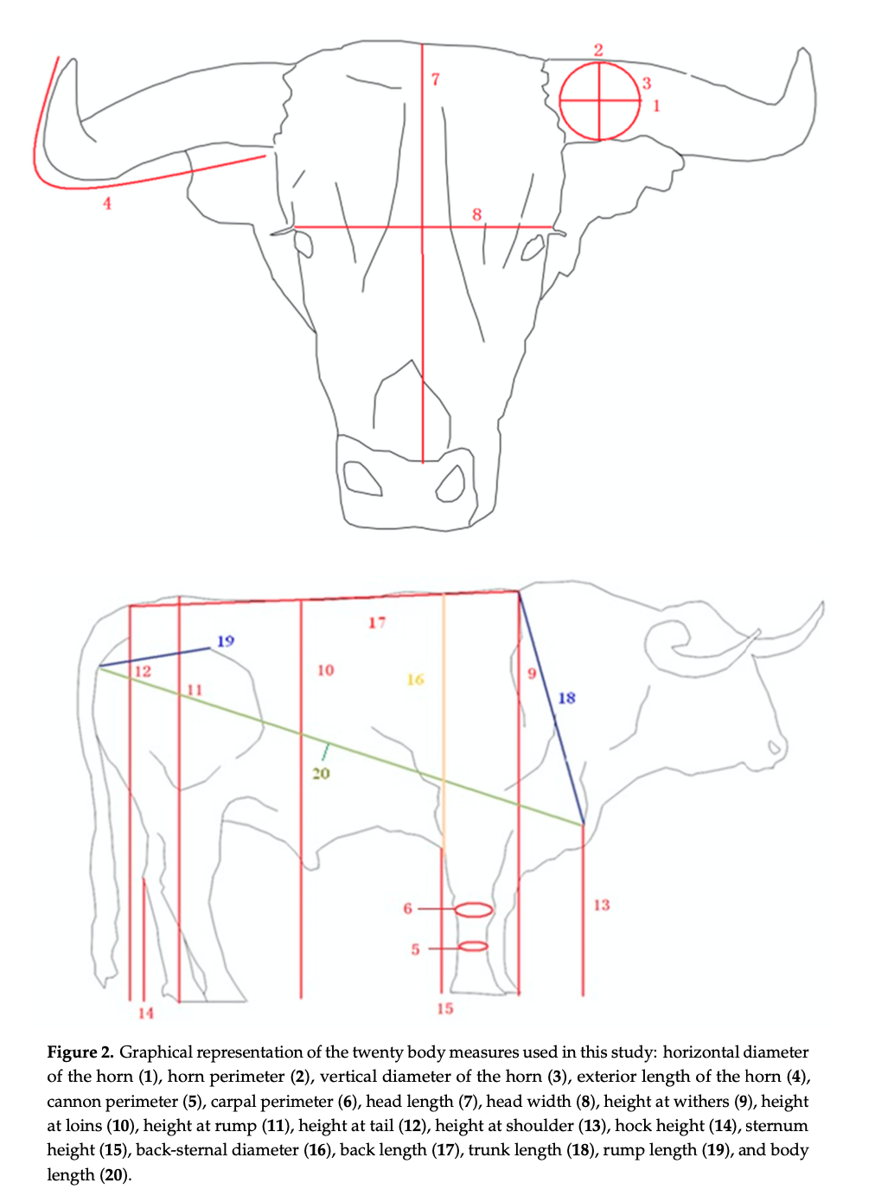

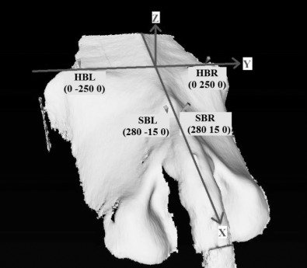

Localization of the 4 anatomical landmarks hook bone left (HBL), hook bone right (HBR), sacrum basis left (SBL), and sacrum basis right (SBR) used to normalize the 3-dimensional surfaces and their coordinates after size standardization.

